DockReceipt
B/L No.
Shipper

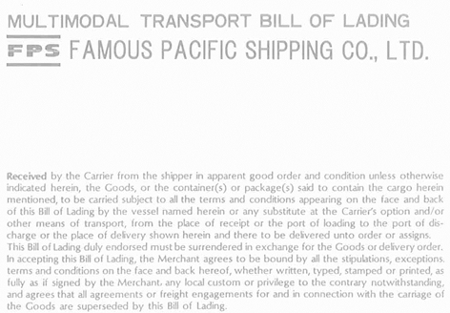

Consignee

Notify Party

Party to contact for cargo release

Pre-carriage by
Place of Receipt

Vessel
Voy . No.
Port of Loading

Port of Discharge
Place of Delivery
Finlal Destination (Merchant's reference only)

Container No.
No. of
Kind of Packages; Description of Goods
Measurement
Seal No.
Gross Weight
Marks and Numbers
Containers
or Pkgs
[KGS] | [M3]

Total number of Containers
or other Packages or Units
(in words)

Merchant's Declared Value (See Clauses 18 & 23):
Note:
The Merchant's attention is called to the fact that according to Clauses 18 & 23 of this Bill of Lading,
the liability of the Carrier is , in most cases, limited in respect of loss of or damage to the Goods.
Freight and Charges
Revenue Tons
Rate
Per
Prepaid
Collect

ExchangeRate
Prepaid at
Payable at
Place and Date of Issue

Total Prepaid in Local Currency
No. of Original B(s)/L
As Carrier
Laden on Board the Vessel
Vessel
Date

Port of Loading
By

